Sheet1
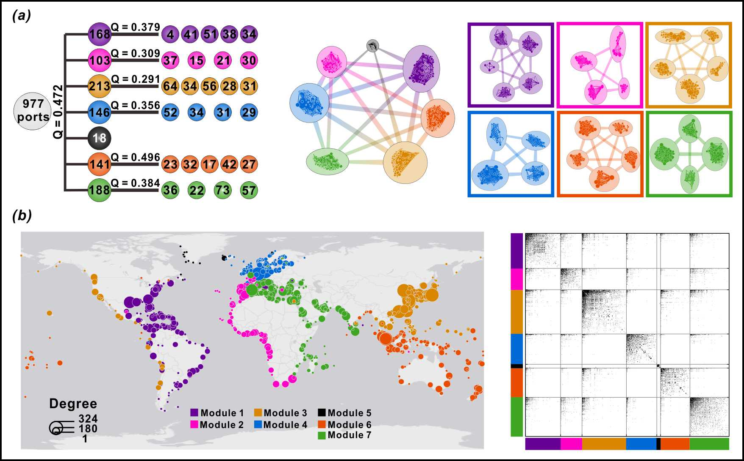
 | Q | the size of each module
GLSN | 0.472 | [168, 103, 213, 146, 18, 141, 188]
Module 1 | 0.379 | [4, 41, 51, 38, 34]
Module 2 | 0.309 | [37, 15, 21, 30]
Module 3 | 0.291 | [64, 34, 56, 28, 31]
Module 4 | 0.356 | [52, 34, 31, 29]
Module 5 | -- | --
Module 6 | 0.496 | [23, 32, 17, 42, 27]
Module 7 | 0.384 | [36, 22, 73, 57]

